Product and its labelling
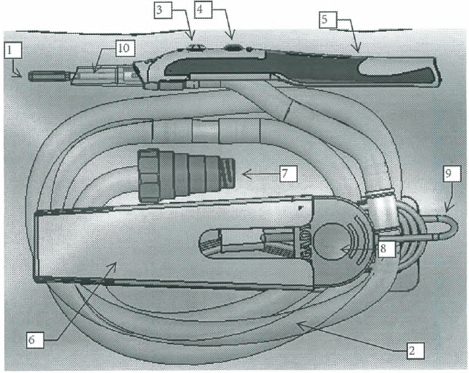
 |  | Schematic diagram of electrode:

 |  | Standard electrode: | Modified electrode:
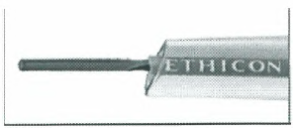
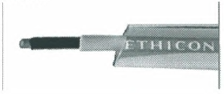

Component
1 Electrode | 6 Protective sleeve
2 Exhaust pipe | 7 Exhauster connector
3 Cut button | 8 Generator connector
4 Coagulation button | 9 Connecting power cord
5 Electrosurgical pencil body | 10 Gray sumitomo A4 heat-shrinkable tube

